DESIGN SHEET
WOMENS TRACKPANT DESIGN DETAIL | #776

© 2015. 776BC INTERNATIONAL PTY LTD - 232 YORK STREET, SOUTH MELBOURNE
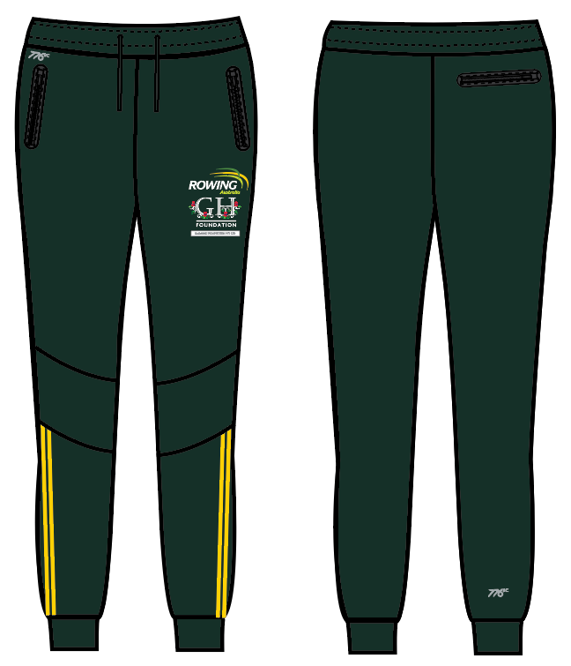 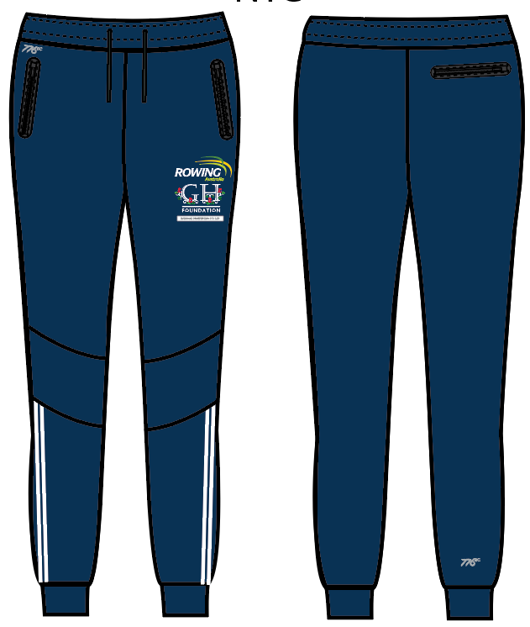 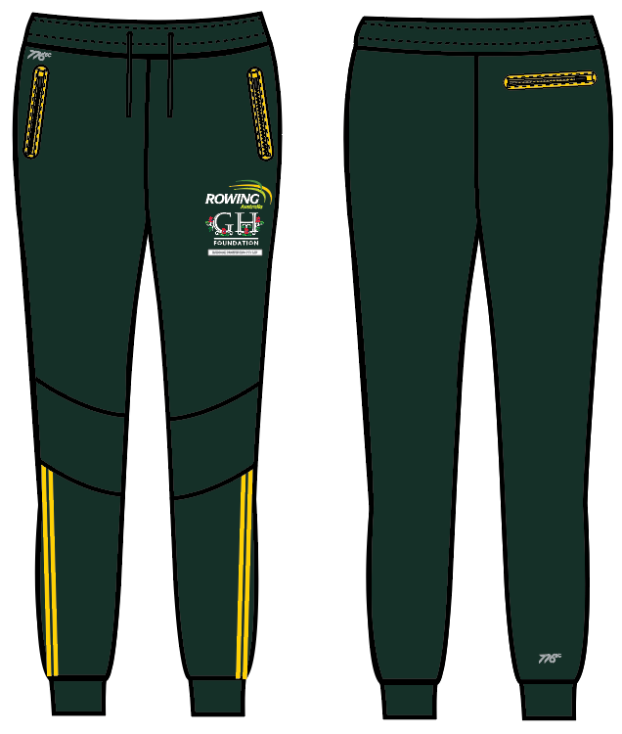 |  |  |  |  | COLOURWAYS
 | BODY/TRIM DETAILS: | DETAILS: | POSITION DETAIL: | QTY: | C1- GREEN | C2- NAVY | C3- GREEN/YELLOW
 | BODY FABRIC | 80% COTTON 20% POLYESTER FLEECE 280GMS | BODY |  | PANTONE 5535C | PANTONE 540C | PANTONE 5535C
 | RIB DETAIL | AS PER SAMPLE | HEM AND WAIST |  | PANTONE 5535C | PANTONE 540C | PANTONE 5535C
 | THREAD | 100% COTTON | ALL OVER |  | D.T.M PANTONE 5535C | D.T.M PANTONE 540C | D.T.M PANTONE 5535C
 | FRONT POCKET EDGE PRINT | THIN PLASTISOL INK | AS PER ART SHEET |  | PANTONE 540C | PANTONE 540C | PANTONE 109C
 | BACK POCKET EDGE PRINT | THIN PLASTISOL INK | AS PER ART SHEET |  | PANTONE 5535C | PANTONE 540C | PANTONE 109C
C1- GREEN
 | DRAWCORD | AS PER SAMPLE | AT WAISTBAND | X1 | D.T.M PANTONE 5535C | D.T.M PANTONE 540C | D.T.M PANTONE 5535C
 | PRINT 1 | SILVER REFLECTIVE PRINT - AS PER ARTSHEET | FRONT TOP RIGHT AS PER AT SHEET |  | AS PER ART SHEET | AS PER ART SHEET | AS PER ART SHEET
 | PRINT 2 | AS PER ART SHEET | FRONT LEFT LED AS PER ARTSHEET |  | AS PER ART SHEET | AS PER ART SHEET | AS PER ART SHEET
 | PRINT 3 | SILVER REFLECTIVE PRINT | BOTTOM OF BACK RIGHT LEG AS PER ART SHEET |  | AS PER ART SHEET | AS PER ART SHEET | AS PER ART SHEET
 | ZIP | YKK QUALITY | FRONT AND BACK POCKETS | X3 | D.TM BODY |  | D.T.M PANTONE 109C

C3-GREEN/YELLOW

C2- NAVY

WOMENS TRACKPANT
WOMENS TRACKPANT SPEC DETAILS |  |  |  |  |  |  |  |  |  |  | #776
© 2015. 776BC INTERNATIONAL PTY LTD - 232 YORK STREET, SOUTH MELBOURNE
SEASON: | RA 2017 | DATE: |  | 2016-12-20 |  |  |  |  |  | WOMENS TRACKPANT RA
STYLE NUMBER: | #776 | SAMPLE SIZE: |  | SMALL AND LARGE
DESCRIPTION: | WOMENS TRACKPANT
PROPORTIONAL GRADING RULES |  |  |  |  |  |  |  |  |  | 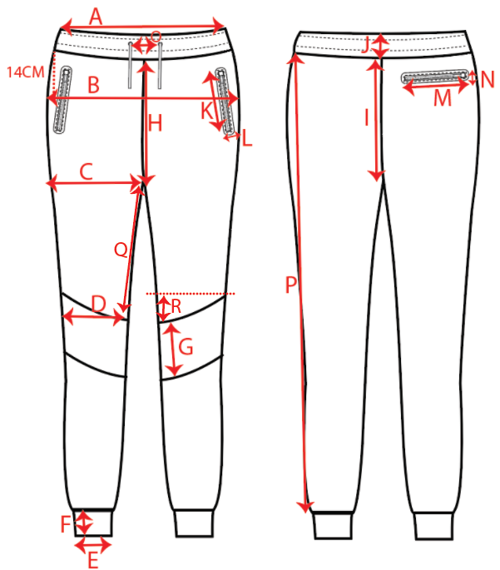
POINT | PATTERN MEASUREMENT (CM) |  | GRADE RULE
 |  |  |  | XS | S | M | L | XL | XXL
A | WAIST CIRC 1/2 |  | 2.0 | 36.5 | 38.5 | 40.5 | 42.5 | 44.5 | 46.5
B | HIP CIRC (14CM BELOW WAIST SEAM) 1/2 |  | 2.0 | 46.5 | 48.5 | 50.5 | 52.5 | 54.5 | 56.5
C | THIGH CIRC AT CROTCH POINT 1/2 EDGE TO EDGE |  | 1.0 | 29 | 30.0 | 31.0 | 32.0 | 33.0 | 34.0
D | KNEE CIRC (32CM BELOW CROTCH POINT) 1/2 |  | 1.0 | 20.5 | 21.5 | 22.5 | 23.5 | 24.5 | 25.5
E | HEM CIRC RELAXED 1/2 |  | 1.0 | 10 | 11.0 | 12.0 | 13.0 | 14.0 | 15.0
F | HEM WIDTH |  | 0.0 | 7.5 | 7.5 | 7.5 | 7.5 | 7.5 | 7.5
G | KNEE PANEL WIDTH |  | 0.5 | 10 | 10.5 | 11.0 | 11.5 | 12.0 | 12.5
H | FRONT RISE |  | 0.5 | 18.5 | 19.0 | 19.5 | 20.0 | 20.5 | 21.0
I | BACK RISE |  | 0.5 | 32 | 32.5 | 33.0 | 33.5 | 34.0 | 34.5
J | WAISTBAND WIDTH |  | 0.0 | 5.5 | 5.5 | 5.5 | 5.5 | 5.5 | 5.5
K | FRONT POCKET LENGTH (NOT INCL PRINT AROUND OUTER) |  | 0.0 | 15 | 15 | 15 | 15 | 15 | 15
L | FRONT POCKET WIDTH (NOT INCL PRINT AROUND OUTER) |  | 0.0 | 1 | 1 | 1 | 1 | 1 | 1
M | BACK POCKET LENGTH (NOT INCL PRINT AROUND OUTER) |  | 0.0 | 14 | 14 | 14 | 14 | 14 | 14
N | BACK POCKET WIDTH (NOT INCL PRINT AROUND OUTER) |  | 0.0 | 5.5 | 5.5 | 5.5 | 5.5 | 5.5 | 5.5
O | DISTANCE BETWEEN EYELETS ON WAISTBAND |  | 0.5 | 4 | 4.5 | 5 | 5.5 | 6 | 6.5
P | LEG LENHGTH |  | 2.0 | 86 | 88 | 90 | 92 | 94 | 96
Q | LEG PANEL DISTANCE FROM CROTCH |  | 0.5 | 32 | 32.5 | 33.0 | 33.5 | 34.0 | 34.5
R | RISE OF KNEE PANEL |  | 0.0 | 5 | 5.0 | 5.0 | 5.0 | 5.0 | 5.0

FABRIC DETAILS: | 80% COTTON 20% POLYESTER FLEECE 280GMS
THREAD DETAILS: | D.T.M COTTON SOFT THREAD
TRIM DETAILS: | ZIPS AS PER SAMPLE
CARE LABEL DETAILS:

